Standard 3- Results
Standard Three: Student- and Stakeholder-Focused Results - Criterion 3.8
Use this format to respond to Criterion 3.8. If you are submitting a self-study for reaffirmation, this is the same table used in your QA report.
Student- and stakeholder-focused results examine how well your organization satisfies students and stakeholders key needs and expectations.
Performance measures may include: satisfaction and dissatisfaction of current and past students and key stakeholders, perceived value, loyalty, persistence, or other aspects of relationship building, end of course surveys, alumni surveys, Internship feedback, etc.

Measurement instrument or processes may include end of course surveys, alumni surveys, Internship feedback, etc.

Each academic unit must demonstrate linkages to business practitioners and organizations, which are current and significant, including an advisory board.

Periodic surveys should be made of graduates, transfer institutions, and/or employers of graduates to obtain data on the success of business programs in preparing students to compete successfully for entry-level positions.

Alumni Satisfaction Results
 | Alumni Satisfaction Results
2012 | 1
2013
2014
2015
2016
Honors in Major
2012 | 4
2013 | 1
2014 | 2
2015
2016
Performance Measure: What is your goal? The goal should be measurable. | What is your measurement instrument or process? (indicate length of cycle) | Current Results: What are your current results? | Analysis of Results: What did you learn from your results? | Action Taken or Improvement made: What did you improve or what is your next step? | Provide a graph or table of resulting trends (3-5 data points preferred) | Data Point 1 (year or semester) | Data Point 2 (year or semester) | Data Point 3 (year or semester) | Data Point 4 (year or semester) | Data Point 5 (year or semester)
 |  |  |  |  |  | 2012 | 2013 | 2014 | 2015 | 2016
Number of Honors in the Major | Count of completed Honors in Major credits | Significant decrease after the initial inception of the program | Students need to be pushed to enter the program. | Continue to email eligible students before their senior year to encourage participation. Developed guidelines, plan to revisit in a year |  | 4 | 1 | 2
Student Satisfaction
Student satisfaction with the Business major - as measured by students who are somewhat satisfied, satisfied, very satisfied. | Annual senior exit survey | Maintained high satisfaction with the major | New graduates are satisfied with their education. | Continue to monitor results to ensure high satisfaction. For the fourth consecutive year, The Princeton Review lists Roanoke among the nation's great schools for students who major in business/finance and computer science/computer engineering” |  | 99 | 94 | 96 | 97 | 99
Internships
2012 | 56
2013 | 41
2014 | 56
2015
2016
Internships | Percent of students graduating with an Internship | Numbers are stable except for 2012/2013 dip | New internships procedures are encouraging more students to complete internships | Using new learning plans, supervisor evaluations, reflection requirements, and showcasing. Internship is being promoted in advising meetings |  | 56 | 41 | 56
Average AKPsi brothers + initiates
2012 | 41
2013 | 21
2014 | 29
2015 | 0
2016
Number of students engaged in the Business fraternity activities - AKPsi | Average number of students that are participating in the fratenity as brothers and initiates | Numbers have declined over time however there has been an increase due to promotion and leadership efforts | Students are driven by other priorities and need to be prushed to participate | The assigned mentor is working with the fraternity to raiparticipation |  | 41 | 21 | 29

Standard 6 - Table 6.1
Standard #6 - Organizational Performance Results, Table 6.1

Complete the following table. Provide three or four examples, reporting what you consider to be the most important data. It is not necessary to provide results for every process.
 | Table 6.1 Standard 6 - Organizational Performance Results
Organizational Effectiveness Results | Organizational effectiveness results examine attainment of organizational goals. Each business unit must have a systematic reporting mechanism for each business program that charts enrollment patterns, student retention, student academic success, and other characteristics reflecting students' performance. Key indicators may include: graduation rates, enrollment, improvement in safety, hiring equity, increased use of web-based technologies, use of facilities by community organizations, contributions to the community, or partnerships, retention rates by program, and what you report to governing boards and administrative units.
 |  | Analysis of Results
Performance Measure | What is your measurement instrument or process? | Current Results | Analysis of Results | Action Taken or Improvement made | Insert Graphs or Tables of Resulting Trends (3-5 data points preferred)
Measurable goal | (Indicate length of cycle) | What are your current results? | What did you learn from the results? | What did you improve or what is your next step? |  |  |  | 2012 | 2013 | 2014 | 2015 | 2016
What is your goal? |  |  |  |  |  |  |  | 2011-12 | 2012-13 | 2013-14 | 2014-2015 | 2015-2016
Declared Business Majors
Number of students accepted as business majors each year | Count of students applied to the major and those applied and deferred until meeting the requirements | There are currently 203 declared business majors | We have increased the number of students showing renewed interest in the program. We also made some changes in the acceptance requirements to be more practical and less rigid. | We have an automated declaration process which students use. The process is easier to administer and is more responsive overall. Results are consistent |  |  |  | 172 | 147 | 192 | 210 | 203
BBA graduates
Number of students graduating with a BBA degree | Count of students graduating with a BBA degree | 76 graduated in May 2014 | The number of graduates has declined in the 2 year period 2013/2014 through 2014/2015. It has resurged in the last year | This was attributed to the decreased number of students impacted by the 2008/2009 economic decline. The increase seems to track with economic overall improvement |  | 114 | 117 | 114 | 94 | 76 | 68 | 94
BBA Employment
Data reflects feedback within 6 months of graduation
Percent of students employed after graduation | Percent of students employed | 92% of Spring 2016 graduates are employed full time 6 months after graduation | The employment rate is increasing | This is attributed to the improving economy |  | 76.19 | 81.4 | 90 | 53 | 77
Concentrators - accounting
Number of concentrators - Accounting | College level reporting of Declared minors and concentrators | 25 students enrolled in the accounting concentration program | Trend continues within the expected band of participants. | No action taken or planned |  | 41 | 41 | 32 | 33 | 25
Concentrators - BIS
Number of concentrators - BIS | College level reporting of Declared minors and concentrators | 8 students enrolled in the BIS (Business information systems ) concentration program | Trend continues within the expected band of participants. | No action taken or planned |  | 5 | 11 | 10 | 5 | 8
Concentrators - Finance
Number of concentrators -Finance | College level reporting of Declared minors and concentrators | 29 students enrolled in the Finance concentration program | Trend continues within the expected band of participants. | No action taken or planned |  | 29 | 30 | 29 | 22 | 29
Concentrators - Global Business
Number of concentrators - Global Business | College level reporting of Declared minors and concentrators | 12 students enrolled in the Global Business concentration program | Trend continues within the expected band of participants. | No action taken or planned |  | 6 | 10 | 14 | 22 | 12
Concentrators - Health Care Admin
Number of concentrators - Health care administration | College level reporting of Declared minors and concentrators | 12 students enrolled in the Health Care Administration concentration program | Trend continues within the expected band of participants. | No action taken or planned |  | 6 | 6 | 9 | 12 | 12
Concentrators - Human Resource dev
Number of concentrators - Human Resource Management | College level reporting of Declared minors and concentrators | 13 students enrolled in the Human Resource Management concentration program | Trend continues within the expected band of participants. | No action taken or planned |  | 9 | 8 | 7 | 10 | 13
Concentrators - Marketing
Number of concentrators - Marketing | College level reporting of Declared minors and concentrators | 42 students enrolled in the Marketing concentration program | Trend continues within the expected band of participants. | No action taken or planned |  | 31 | 43 | 49 | 41 | 42

Standard 6- Table 6.3
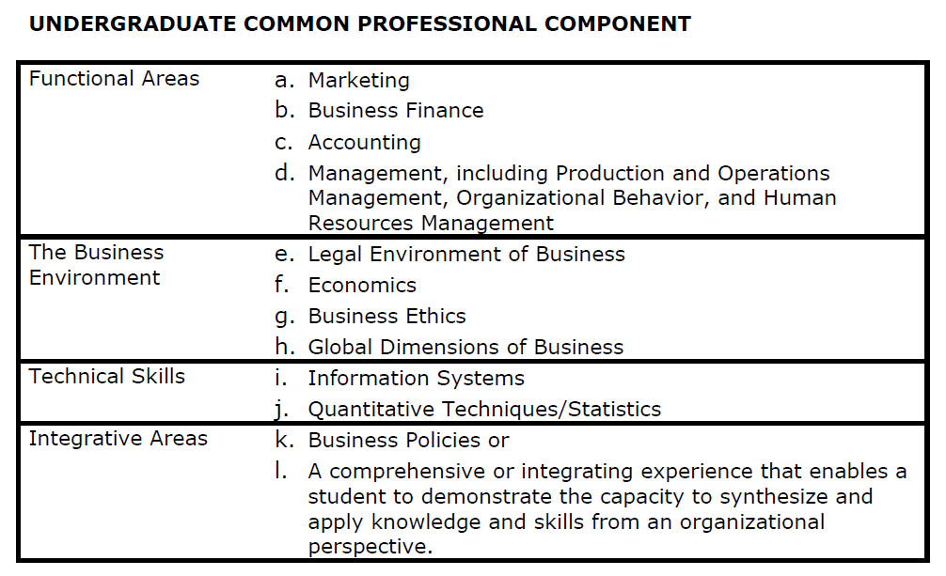
Standard Six: Educational and Business Process Management - Table 6.3
Criterion 6.1.3 Undergraduate Common Professional Component (CPC) Programs that include a B.A. (with a business major), B.S. (with a business major), B.B.A., B.S.B.A., or objectives that imply general business preparation with or without a functional specialization must include coverage of the Common Professional Component (CPC) at the level prescribed by the ACBSP. The CPC as outlined below must be included in the content of the courses taught in the undergraduate programs of all accredited schools and programs. Each CPC area must receive a minimum coverage of two-thirds of a three (3) semester credit-hour course (or equivalent) or approximately 30 coverage hours.
Figure 6.5
Example of a Table of Undergraduate Common Professional Component (CPC) Compliance

 | Hour Class Session by CPC Topic
Core Courses | 1a. MKT | 1b. FIN | 1c. ACC | 1d. MGT | 2e. LAW | 2f. ECON | 2g. ETH | 2h. GLO | 3i. IS | 3j. QMSTAT | 4k.l. POL/COMP | Total
ECON121 |  |  |  |  |  | 39 | 3 | 3 |  | 20 | 2 | 67
ECON122 |  | 2 | 2 |  |  | 39 | 1 | 5 |  |  | 3 | 52
BUAD110 | 6 | 6 | 6 | 6 | 6 | 6 | 6 | 6 | 6 | 6 | 6 | 66
BUAD215 |  | 2 | 39 | 2 | 1 | 1 | 5 |  |  |  |  | 50
BUAD218 |  | 2 | 2 |  | 4 |  | 6 | 4 | 39 | 12 | 5 | 74
BUAD225 |  | 10 | 39 | 10 |  | 5 | 4 | 1 | 2 |  |  | 71
BUAD227 |  |  |  | 5 | 33 |  | 6 | 3 |  |  |  | 47
BUAD233 | 33 | 1 | 3 | 5 | 2 | 3 | 15 | 15 | 1 | 1 | 4 | 83
BUAD248 |  |  |  | 12 |  |  |  |  | 10 | 39 | 6 | 67
BUAD254 |  |  |  | 36 | 3 |  | 3 | 3 | 3 |  | 8 | 56
BUAD342 |  | 39 | 8 | 5 | 2 | 8 | 5 | 3 | 3 | 8 | 8 | 89
BUAD348 |  |  |  | 39 |  |  | 5 | 5 | 3 | 18 | 10 | 80
BUAD499 | 12 | 10 | 10 | 25 | 6 | 4 | 6 | 12 | 7 | 6 | 89 | 187
Total | 51 | 72 | 109 | 145 | 57 | 105 | 65 | 60 | 74 | 110 | 141

